Sheet1
Column1 | Column2 | Column3 | Column4 | Column5 | Column6 | Column7 | Column8 | Column9
Test case ID | Test case description | Test Step | Test Data | Expected result | Actual result | Pass/Fail | Author | Notes
TC01 | User should be able to access "default" page successfully | 1. Verify display result of "Default" page is correct |  | Default page should have 3 sections of Project title on the right corner, + , and sample project menu as below picture. | Default page display as expected | Pass | NC
 |  | 2. Validate "Default" icon is click able |  | Drop-down "Default" should be clickable | User is able to click on "Default" | Pass | NC
 |  | 3. Validate "Virtual User" is appeared |  | User Virtual page should be displayed | Virtual Users page appear as expected | Pass | NC | 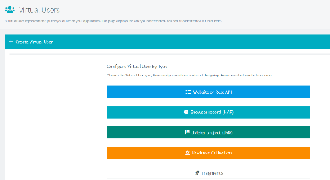
 |  | 3. Verify "Edit workspace icon and Delete workspace icon" appears when user mouse pointer is hoovering over the "Default" field |  | "Edit work space icon and Delete workspace icon" should be appered | "Edit workspace icon and Delete workspace icon" appear as expected | Pass | NC
 |  | 4. Validate "Edit workspace icon" is clickable |  | Edit workspace icon should be clickable | User is able to click on "Edit Workspace" | Pass | NC
 |  | 5. Validate "Delete Workspace icon" is clickable |  | Delete Workspace icon should be clickable | User is able to click on "Delete Workspace" | Pass | NC
 |  | 6. Validate user should not be able to delete workspace |  | User should not be able to delete workspace and system has shown the message | User is unable to delete workspace and system has shown the message as expected | Pass | NC

TC02 | User should be able to access sample project | 1. Validate sample project is clickable |  | Sample project should be clickable | Sample project is clickable | Pass | NC
 |  | 2. Verify "Move project icon, Edit project icon, and Delete project icon" appears when user mouse pointer is hoovering over the the "Sample project" |  | Move project icon, Edit project icon, and Delete project icon should be appeared. | "Move project icon, Edit project icon, and Delete project icon appear as expected | Pass | NC
 |  | 3. Validate "Move project" icon is clickable |  | Move project icon should be clickable | User is able to click Move project | Pass | NC
 |  | 4. Validate user is unable to move project to another workspace if project already in the selected work space |  | User should not be able to project project to another workspace if project is already in the selected workspace and notification shown up | User is unable to move project and notification shown up | Pass | NC
 |  | 5. Validate "Edit project" icon is clickable |  | Edit project icon should be clickable | User is able to click Edit project | Pass | NC
 |  | 6
 |  | 5. Validate "Delete project" icon is clickable |  | Delete project icon should be clickable | User is able to click Delete project | Pass | NC
TC03 | User should be able to access "Virtual Users" | 1. Validate "Default" icon is click able |  | Drop-down "Default" should be clickable | User is able to click on "Default" | Pass | NC
 |  | 2. Validate "Virtual User" page is appeared |  | User Virtual page should be displayed | Virtual Users page appear as expected | Pass | NC
 |  | 3. Validate "Website or Rest API" is clickable |  | Website or Rest API should be clickable | User is able to click Website or Rest API | Pass | NC
 |  | 4. Validate "Browser Record (HAR) is clickable |  | Browser Record (HAR) should be clickable | User is able to click Browser Record (HAR) | Pass | NC
 |  | 5. Validate J Meter Project (JMX) is clickable |  | J Meter Project (JMX) should be clickable | User is able to click J Meter Project (JMX) | Pass | NC | 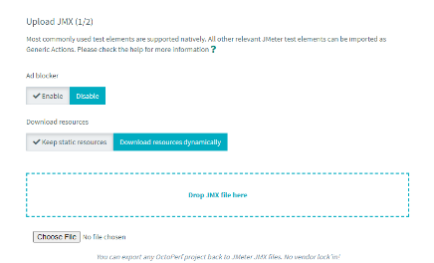
 |  | 6. Validate Postman Collection is clickable |  | Postman Collection should be clickable | User is able to click Postman Collection | Pass | NC | 